Indices

 | Iraq Stock Exchange
 | Bulletin No (48)
 | ISX Trading Indices of Thursday 12/3/2026

 | Traded Volume and OTC |  | 584,172,221 |  | Traded Value and OTC |  | 1,351,865,743 |  | Traders | 1050

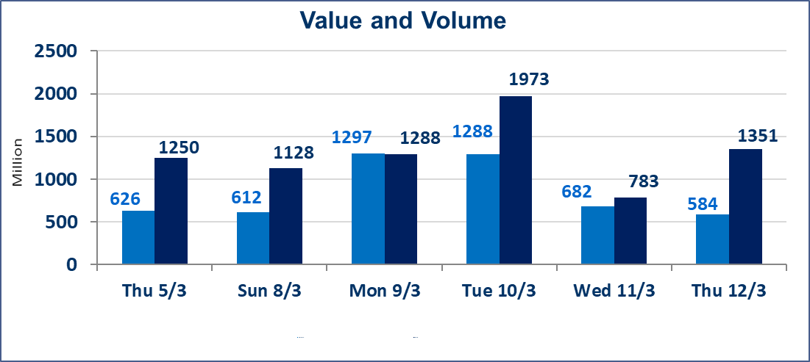
 | ISX Index 60 |  |  | 988.70 | ISX Index 15 |  |  | 1236.41
 | Previous ISX Index60 |  |  | 989.47 | Previous ISX Index15 |  |  | 1237.85
 | Change % |  |  | -0.08 | Change % |  |  | -0.12
 | Change |  |  | -0.77 | Change |  |  | -1.44

 | Listed Companies | 104 | OTC | 14 | Non Traded listed | 40 | OTC | 13
 | Traded Listed Companies | 51 | OTC | 1 | Higher Companies |  |  | 10
 | GAM Companies |  |  | 3 | Lower Companies |  |  | 17
 | Suspended Companies |  |  | 10
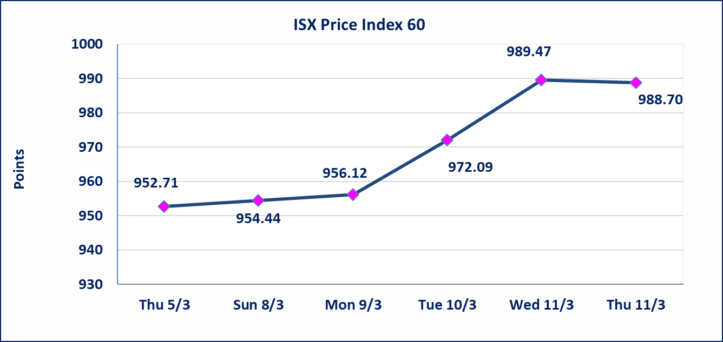
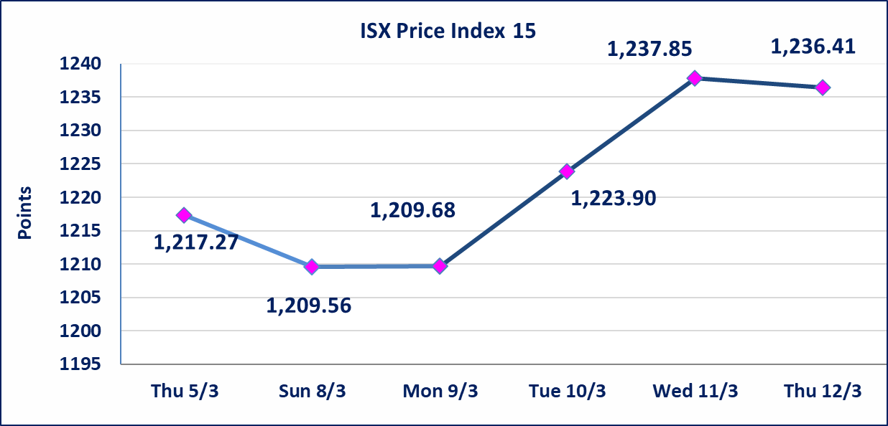

Al-Alwiya P.O . 3607 Mobile: 07711211522 - 07270094594 - 07834000034 E-mail: info-isx@isx-iq.net Web site:www.isx-iq.net

Top 5
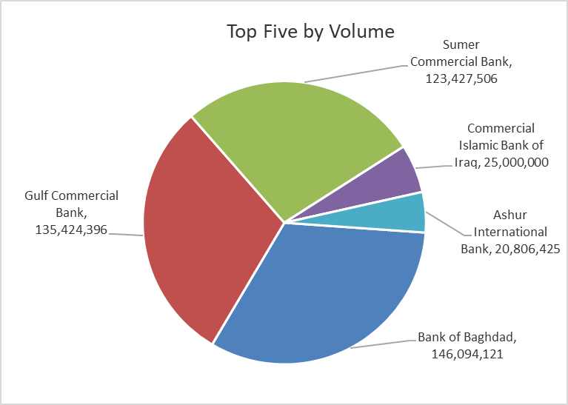
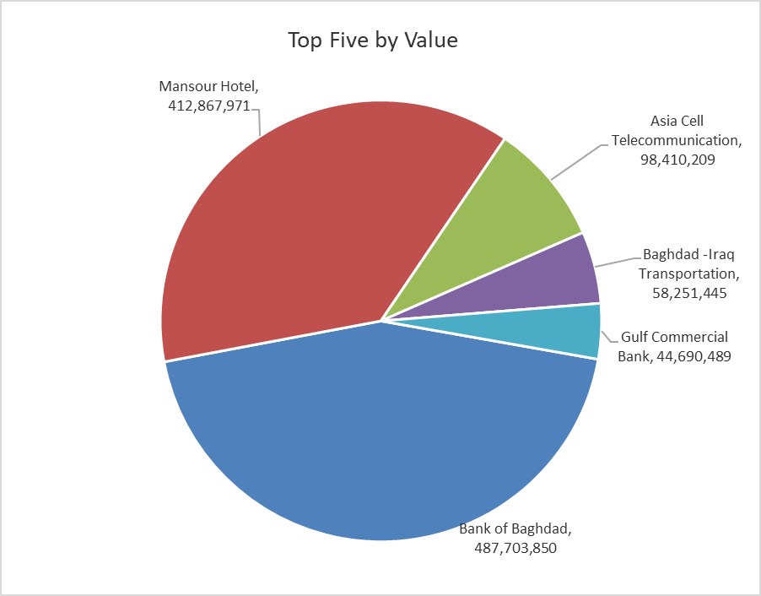

ISX top ganing and losing companies
Thursday 12/3/2026
 | Gainers |  |  |  | Losers
 | Company Name | Closing Price | Change (%) | Traded Volume | Company Name | Closing Price | Change (%) | Traded Volume
 | General Transportation | 1.890 | 5.00 | 373,532 | Al-Ahlyia agricultural production | 2.330 | -4.90 | 212,442
 | Babil Animal & Vegetable Production | 6.980 | 4.96 | 2,309,515 | Agricultural Products Meat | 4.600 | -4.56 | 12,109
 | Modern Construction Materials | 1.300 | 4.84 | 920,000 | Mansour Hotel | 47.770 | -4.46 | 8,601,410
 | Al-Hamraa for Insurance | 4.400 | 4.76 | 123,864 | National Chemical &Plastic | 1.900 | -3.55 | 56,064
 | Metallic Industries and Bicycles | 1.900 | 3.26 | 757,894 | Gulf Commercial Bank | 0.330 | -2.94 | 135,424,396
 | The most active companies in term of traded volume and value

 | Traded Volume |  |  |  | Traded Value
 | Company Name | Closing Price | Change (%) | Traded Volume | Company Name | Closing Price | Change (%) | Traded Value
 | Bank of Baghdad | 3.340 | 1.21 | 146,094,121 | Bank of Baghdad | 3.340 | 1.21 | 487,703,850
 | Gulf Commercial Bank | 0.330 | -2.94 | 135,424,396 | Mansour Hotel | 47.770 | -4.46 | 412,867,971
 | Sumer Commercial Bank | 0.150 | 0.00 | 123,427,506 | Asia Cell Telecommunication | 14.880 | -0.13 | 98,410,209
 | Commercial Islamic Bank of Iraq | 0.660 | 0.00 | 25,000,000 | Baghdad -Iraq Transportation | 23.500 | 0.69 | 58,251,445
 | Ashur International Bank | 0.240 | 0.00 | 20,806,425 | Gulf Commercial Bank | 0.330 | -2.94 | 44,690,489

Non Iraqi

Iraq Stock Exchange
Non Iraqis' Bulletin Thursday March 12 2026
Regular Market

Non Iraqi Trading of Regular Market (Buy)
Company Names | Code | No.of trades | Traded Shares | Trading Volume
Banks Sector
Gulf Commercial Bank | BGUC | 2 | 50,000,000 | 16,500,000
Total Bank sector |  | 2 | 50,000,000 | 16,500,000
Agricultural Sector
Iraqi Agricultural Products Marketing Meat | AIPM | 1 | 12,109 | 55,701
Total Agricultural Sector |  | 1 | 12,109 | 55,701
Grand Total |  | 3 | 50,012,109 | 16,555,701

Non Iraqi Trading of Regular Market (Sell)
Company Names | Code | No.of trades | Traded Shares | Trading Volume
Banks Sector
Bank Of Baghdad | BBOB | 5 | 1,155,000 | 3,870,800
Total Bank sector |  | 5 | 1,155,000 | 3,870,800
Telecommunication Sector
Asia cell | TASC | 13 | 1,862,491 | 27,659,786
Total Telecommunication sector |  | 13 | 1,862,491 | 27,659,786
Grand Total |  | 18 | 3,017,491 | 31,530,586

Non Iraqi Trading of Second Market (Sell)
Company Names | Code | No.of trades | Traded Shares | Trading Volume
Insurance Sector
Al-Hamraa for Insurance | NHAM | 2 | 116,864 | 514,632
Total Insurance sector |  | 2 | 116,864 | 514,632
Grand Total |  | 2 | 116,864 | 514,632
Non Iraqi Trading of Undisclosed Platform (Sell)
Company Names | Code | No.of trades | Traded Shares | Trading Volume
Industry Sector
Modern Construction Materials | IMCM | 1 | 50,000 | 65,000
Total Industry sector |  | 1 | 50,000 | 65,000
Grand Total |  | 1 | 50,000 | 65,000

Not Trading Bonds

Iraq Stock Exchange
Thursday 12/3/2026
Not Trading Bonds Bulletin
Bond type | Publish type | Code | last trading price | immortilize date
Banaa Bonds /Million ID | Second | CB20 | 964,981 | 19/12/2025
Eamar Bonds /Million ID | First | CB30 | 1,001,095 | ــــــــــــــــ
Eamar Bonds /Million ID | Second | CB40 | ــــــــــــــــ | ــــــــــــــــ
Eamar Bonds /500 Thousand ID | Third | CB45 | ــــــــــــــــ | ــــــــــــــــ
Eamar Bonds /Million ID | Third | CB50 | ــــــــــــــــ | ــــــــــــــــ
Injaz Bonds /500 Thousand ID | First | CB55 | ــــــــــــــــ | ــــــــــــــــ
Injaz Bonds /Million ID | First | CB60 | ــــــــــــــــ | ــــــــــــــــ
Injaz Bonds /500 Thousand ID | Second | CB65 | 503,793 | ــــــــــــــــ
Injaz Bonds /Million ID | Second | CB70 | 1,026,082 | ــــــــــــــــ
Injaz Bonds /500 Thousand ID | Third | CB75 | ــــــــــــــــ | ــــــــــــــــ
Injaz Bonds /Million ID | Third | CB80 | 978,182 | ــــــــــــــــ
National Bonds/Million ID | First | CB90 | ــــــــــــــــ | ــــــــــــــــ
National Bonds/500 Thousand ID | Second | CB95 | ــــــــــــــــ | ــــــــــــــــ
National Bonds/Million ID | Second | CB100 | ــــــــــــــــ | ــــــــــــــــ

